Forms Outline
 |  | Project: | Multi Vendor eCommerce Websites
 |  | Team:

(WEB/WINDOWS) FORMS OUTLINE

 | Forms Name |  | Description
CLIENT | 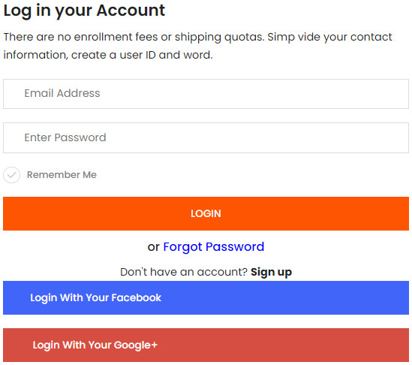 |  | Sign-up form is clean, with a basic white background, so you can focus on the form fields that matter
 |  |  | You must confirm your email before logging in
 | 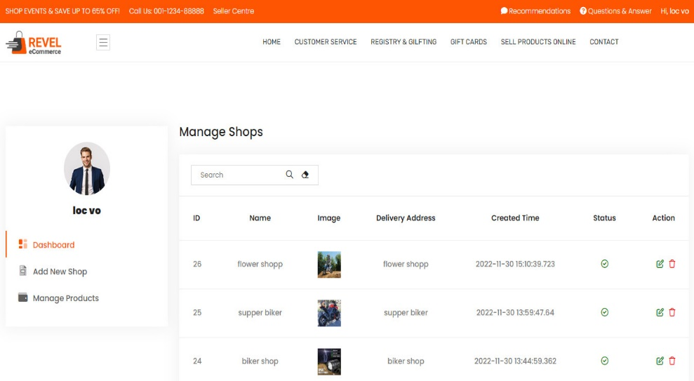 |  | You must login before going to the store management page. You can edit and edit your online stores
 | 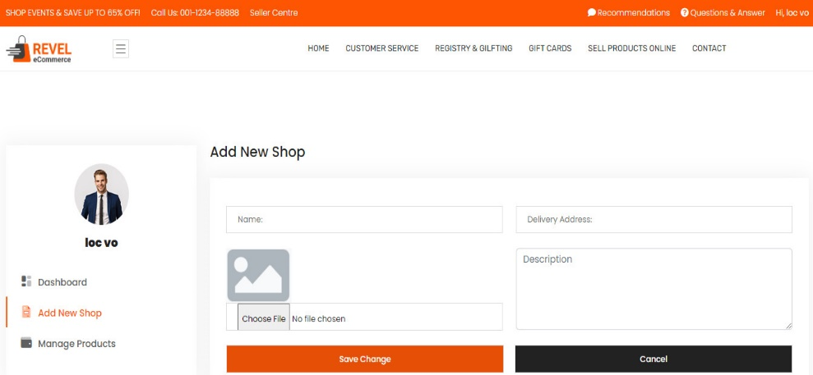 |  | you can create multiple online stores
 | 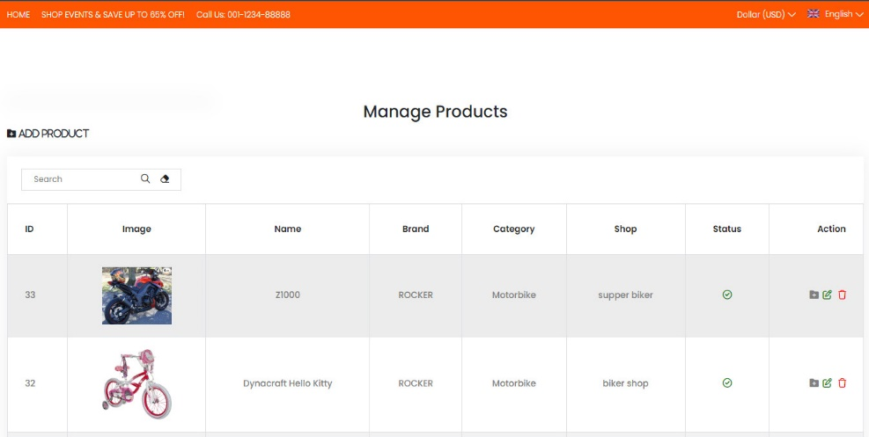 |  | add, edit and delete products to each of your online stores
 | 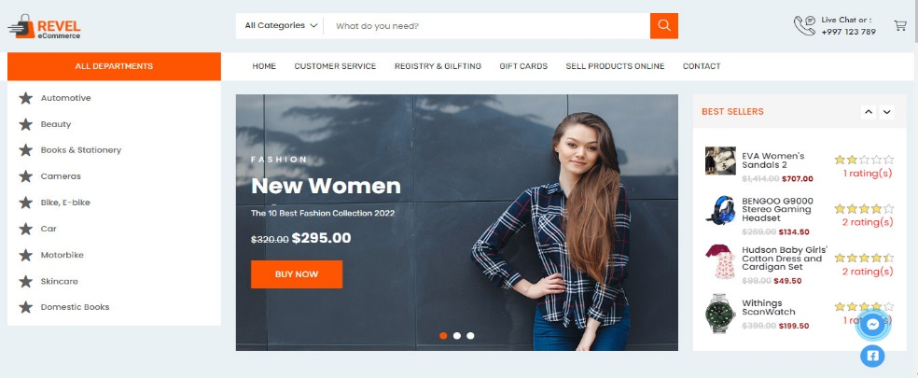 |  | view products
 | 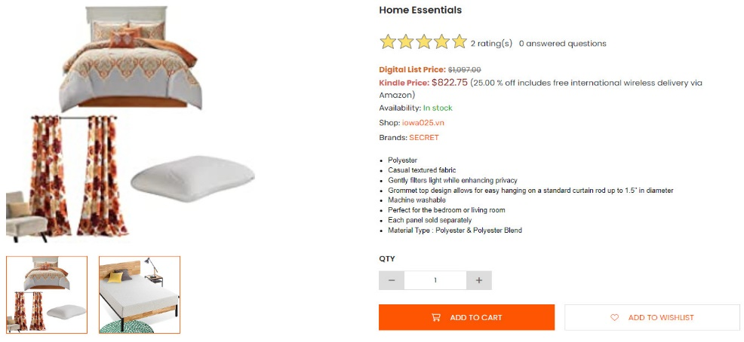 |  | Select the product you want to buy and add it to your cart
 | 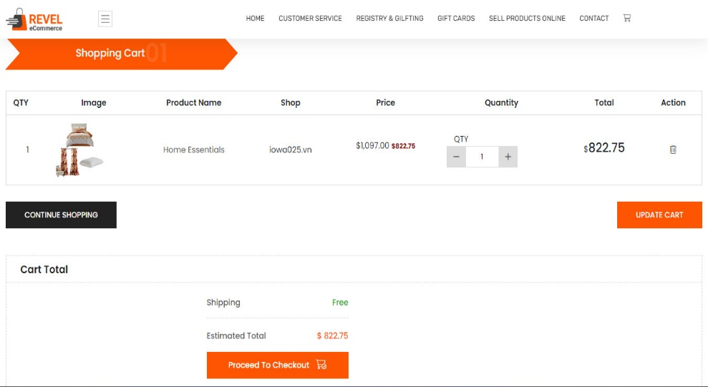 |  | you can change the quantity and proceed to checkout the cart.
 | 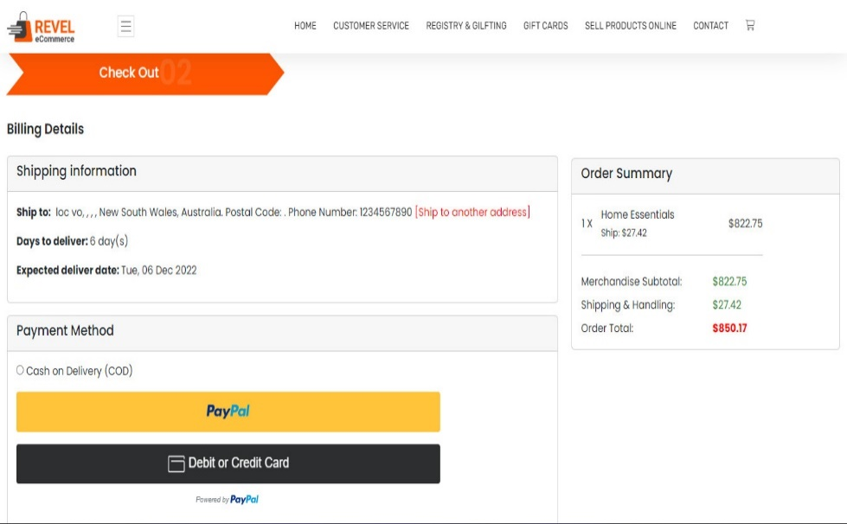 |  | You must choose a form of payment. However, the COD payment method is only applicable to some countries
 | 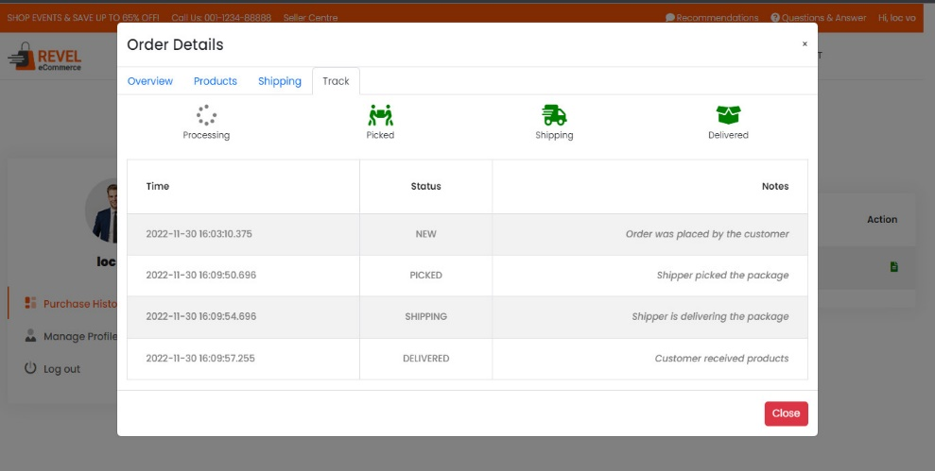 |  | After payment you can see the status of your order
 | 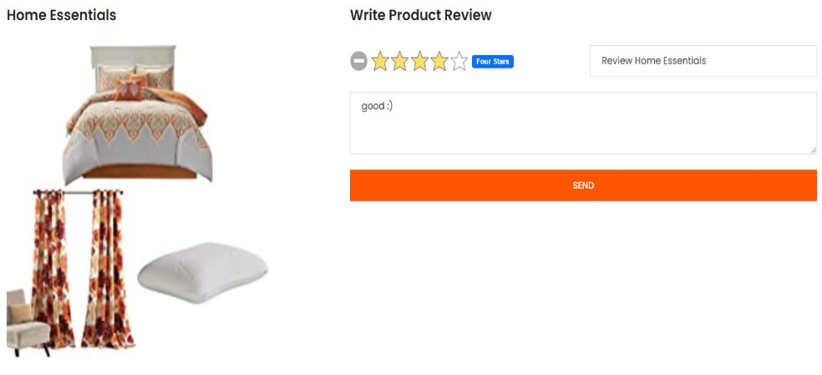 |  | you can rate stars and review the product you just bought
 |  |  | If you have any questions, please email us
ADMIN | 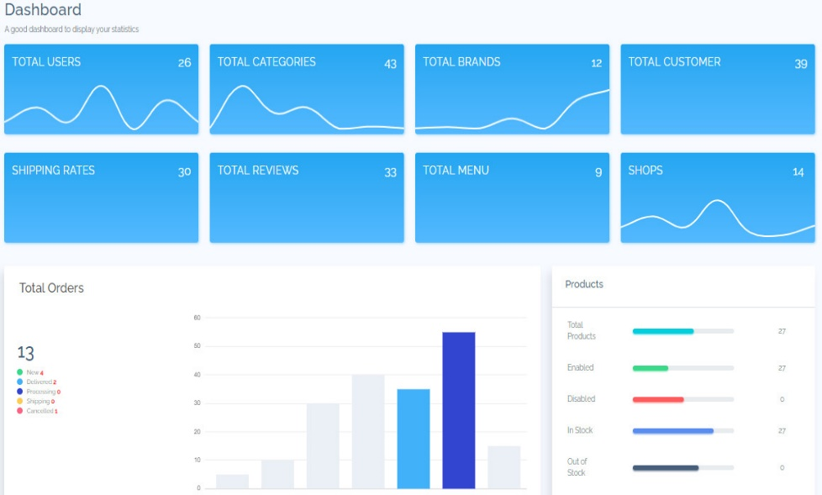 |  | statistics of the number of stores, invoices, brands, users …
 | 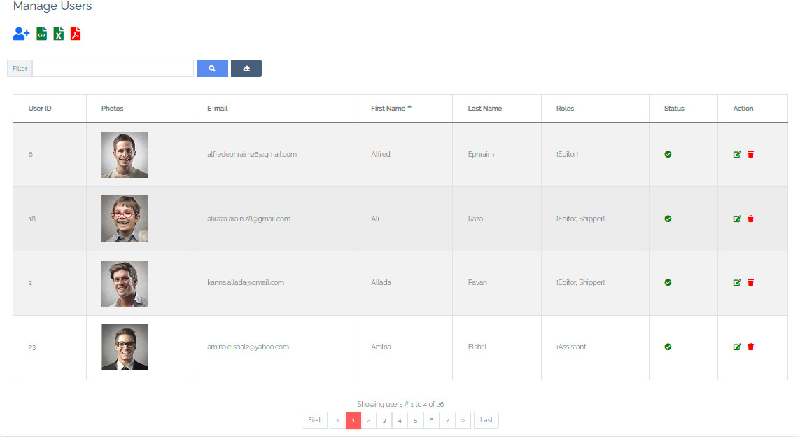 |  | allows to create, edit and delete users
 | 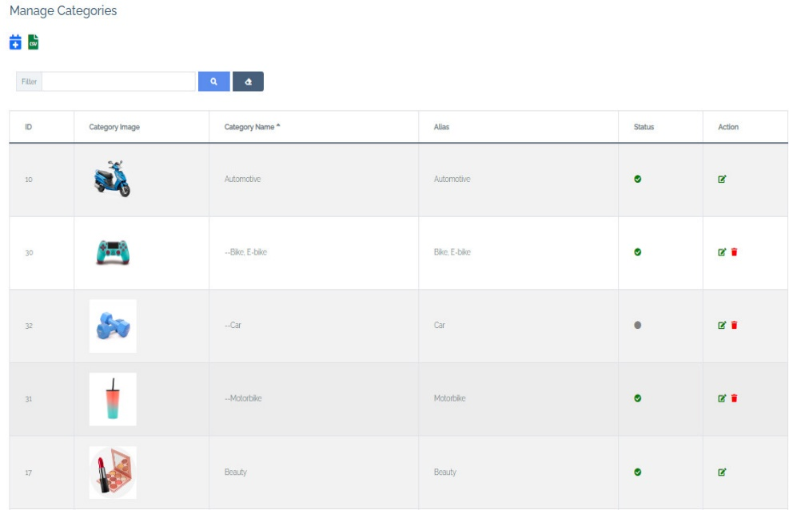 |  | allows to create, edit and delete categories
 | 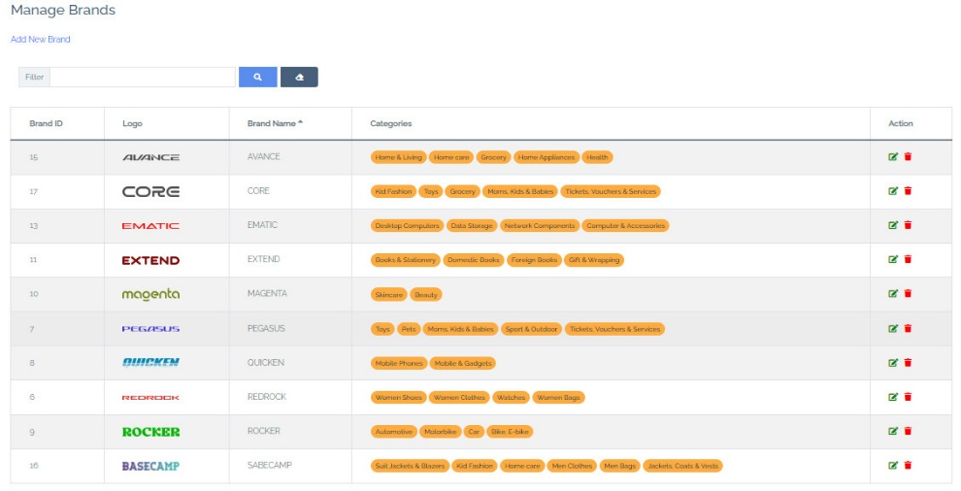 |  | allows to create, edit and delete categories
 |  |  | allows to delete contacts
 | 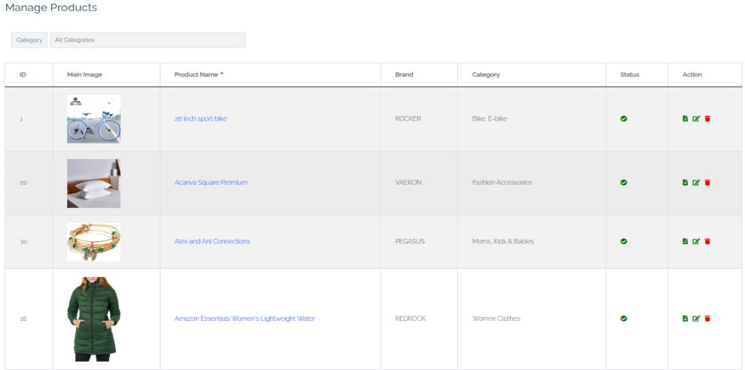 |  | allows to enabled, detail, edit and delete products
 | 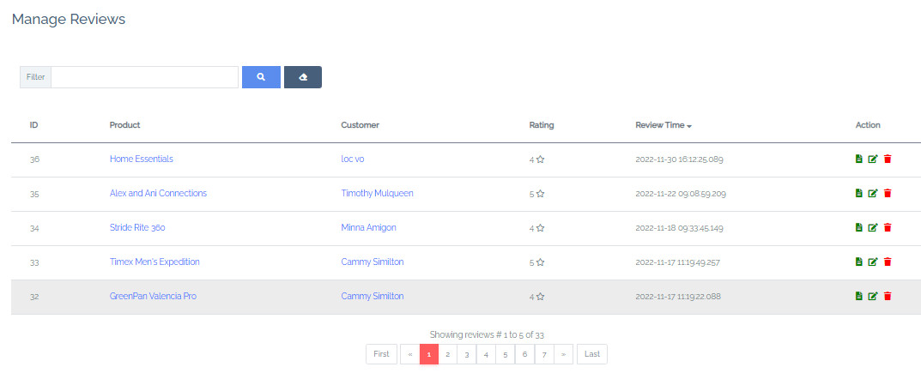 |  | allows to detail, edit and delete reviews
 | 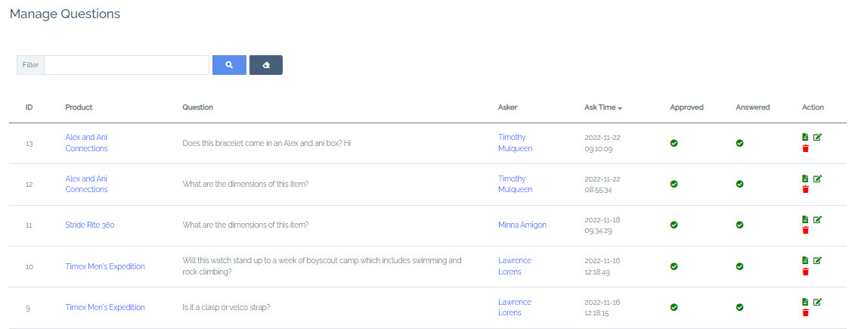 |  | allows to detail, edit and delete questions
 | 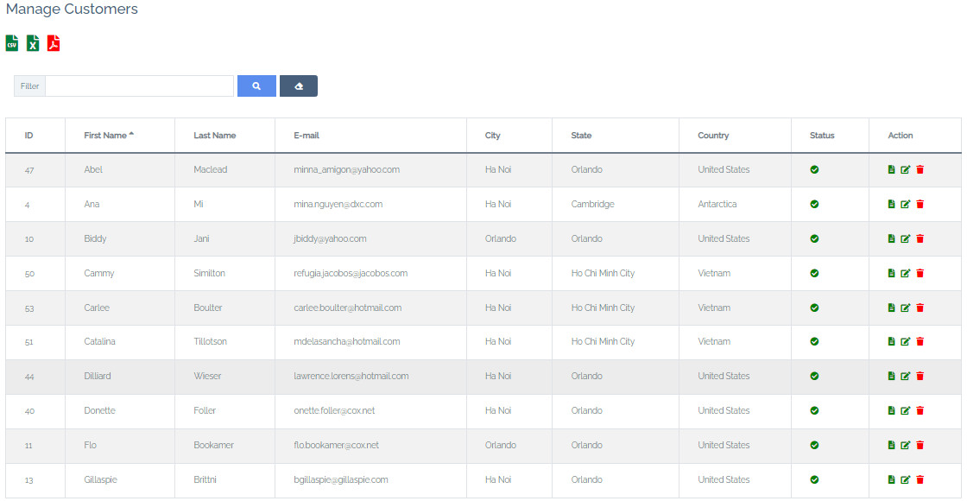 |  | allows to detail, edit and delete customers
 | 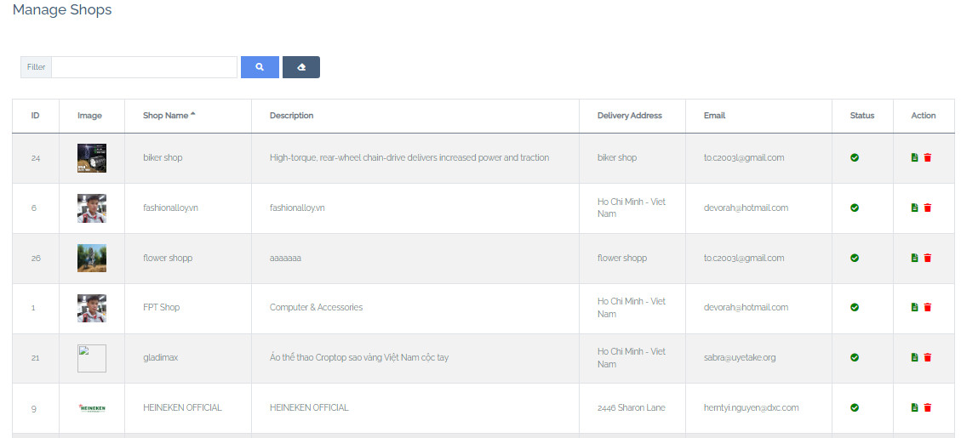 |  | allows to enabled, detail and delete shops
 | 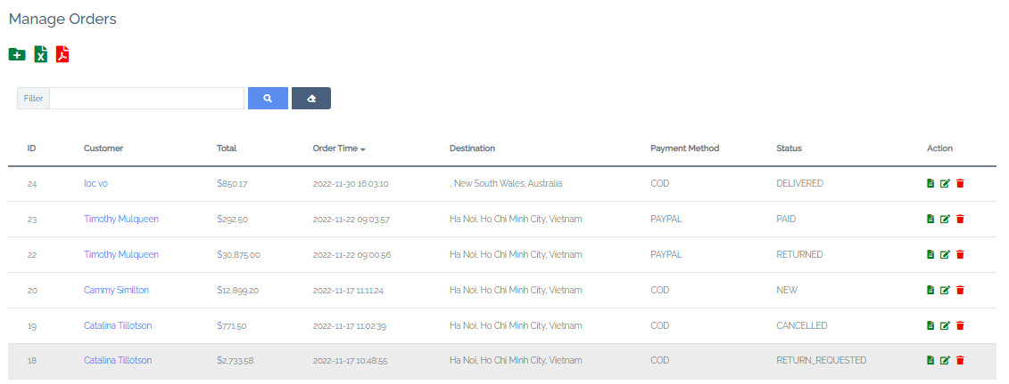 |  | allows to adjust the shipping address, set up the delivery process
 | 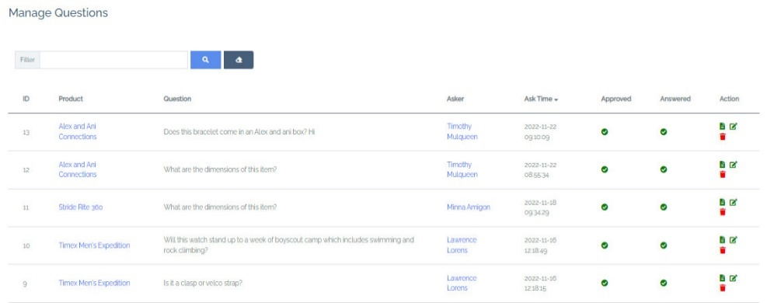 |  | Allows deleting and answering customer questions
 | 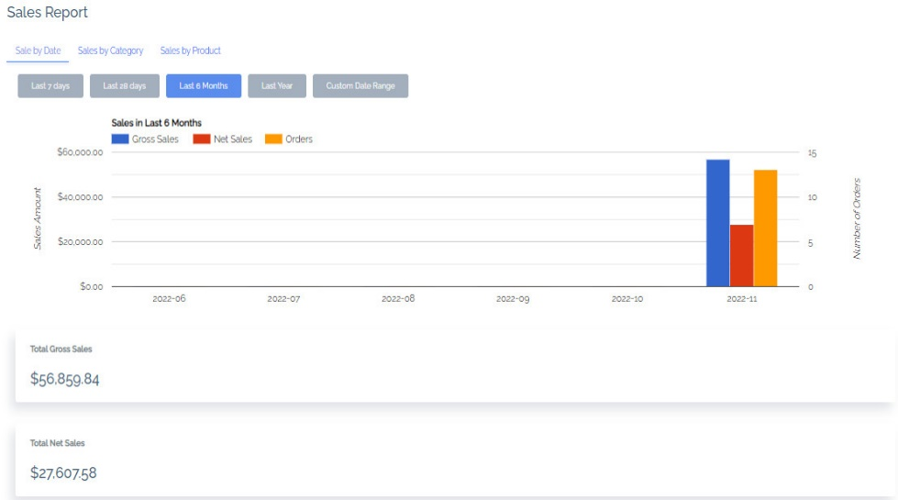 |  | Statistical charting of the number of orders and total income for a specified period

